Radio Button Ex - 2
Year | Total Sales | North | South | East | West | Question 1 | We are given Data of Sales of a company for past 10 years, for 4 Regions.
2010 | 14500 | 20% | 15% | 30% | 35% |  | Management wants to see this Data in a Chart with Total Sales in a Bar and Select Regionand only show Data of the region that is selected in a line and a Table, So basically there should be 1 Table with 3 Columns, Year, Total Sales and Selected region contribution in the Sales.
2011 | 12400 | 25% | 20% | 25% | 30% |  | At a time only 1 State should be shown
2012 | 14600 | 25% | 35% | 15% | 25%
2013 | 10100 | 25% | 30% | 20% | 25%
2014 | 13400 | 30% | 20% | 25% | 25%
2015 | 13400 | 20% | 30% | 35% | 15%
2016 | 11900 | 20% | 30% | 25% | 25%
2017 | 14900 | 35% | 20% | 25% | 20%
2018 | 11700 | 25% | 20% | 30% | 25%
2019 | 13600 | 20% | 20% | 30% | 30%
2020 | 14800 | 30% | 20% | 25% | 25%

Region | 4
Lookup Column | 6
Region Wise Sales
 |  |  | Year | Total Sales | West
 |  |  | 2010 | 14500 | 35%
 |  |  | 2011 | 12400 | 30%
 |  |  | 2012 | 14600 | 25%
 |  |  | 2013 | 10100 | 25%
 |  |  | 2014 | 13400 | 25%
 |  |  | 2015 | 13400 | 15%
 |  |  | 2016 | 11900 | 25%
 |  |  | 2017 | 14900 | 20%
 |  |  | 2018 | 11700 | 25%
 |  |  | 2019 | 13600 | 30%
 |  |  | 2020 | 14800 | 25%

Sheet1
EXCEL MODELLING

BUSINESS MODELS | DATA MODELS

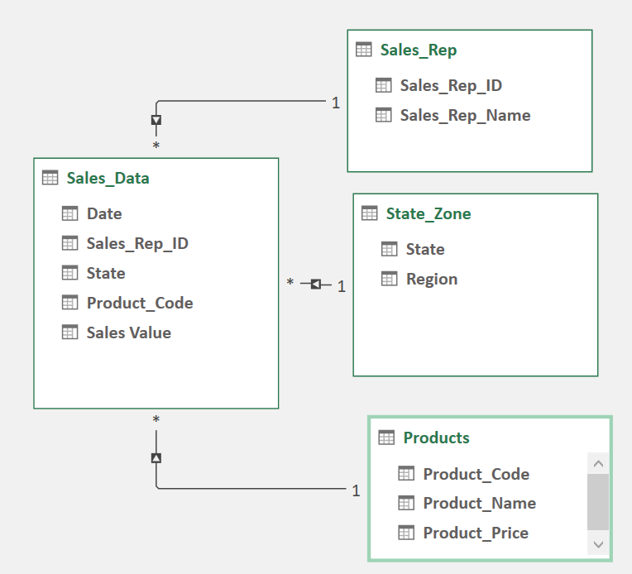
Financial Models
Investment Models
Behavioural Models
Engineering Models
Engineering Models
Production/Manufacturing Models
Insurance Models
Supply Chain & Logistics Models

